input data to chi-square
 |  |  |  |  |  |  |  |  |  | =[(inv.var X*(X-Xbar) + inv.Cov XY*(Y-Ybar)]* (X-Xbar)
 |  | Cov |  | eval |  |  |  |  |  |  | =[(inv.var X*(Y-Ybar) + inv.Cov XY*(X-Xbar) + ]* (Y-Ybar)
X | Y | X |  | eig1 | eig2 |  |  | X-xbar | Y-ybar | Term 1, rel to X | Term 2, rel to Y | Term1 + Term2 | point relative to ellipse
27.11 | 13.8 | 3.0214766667 | 2.0067522222 | 4.6242909211 | 0.50898685672 |  |  | -0.979 | -0.857 | 0.14460855536 | 0.22749230183 | 0.3721008572 | inside
26.77 | 13.42 | 2.0067522222 | 2.1118011111 | 1.7823540175E-15 | -5.5788480723E-16 |  |  | -1.319 | -1.237 | 0.16986264444 | 0.57320180638 | 0.74306445082 | inside
27.35 | 12.76 |  | Y |  |  |  |  | -0.739 | -1.897 | -0.70524304852 | 3.4243403996 | 2.7190973511 | outside
29.2 | 14.88 | mean |  | n | 10 |  |  | 1.111 | 0.223 | 0.89623087818 | -0.14739490321 | 0.74883597497 | inside
27.44 | 14.56 | 28.089 | 14.657 | let chi-sq value | 2.25 |  |  | -0.649 | -0.097 | 0.32423868676 | -0.04159487675 | 0.28264381001 | inside
26.16 | 14.35 |  |  | %inside | 67.53% |  |  | -1.929 | -0.307 | 2.8337020349 | -0.38391989837 | 2.4497821365 | outside
26.25 | 13.86 | inv cov |  |  |  |  |  | -1.839 | -0.797 | 1.784711738 | -0.4342065736 | 1.3505051644 | inside
31.21 | 17.61 | 0.89722485867 | -0.8525935371 | trace | 5.1332777778 |  |  | 3.121 | 2.953 | 0.88177634491 | 3.3364661667 | 4.2182425116 | outside
29.34 | 16.56 | -0.8525935371 | 1.2837117856 | det | 2.3537033005 |  |  | 1.251 | 1.903 | -0.62557156083 | 2.619116052 | 1.9935444912 | inside
30.06 | 14.77 |  |  | eig1, formula* | 4.6242909211 |  |  | 1.971 | 0.113 | 3.2956837268 | -0.17350047457 | 3.1221832522 | outside
28.089 | 14.657 |  |  | eig2, trace-eig1 | 0.50898685672
Trace of Cov.Matrix |  | sum of eignen values |  | *=(trace+SQRT(trace^2-4*det))/2
5.1332777778 |  | 5.1332777778
 |  |  |  | a | 3.2256246794 | =sqrt(eig1*chi-sq value) | Length of the axes of the ellipse
Det. of Cov. Matrix |  | Pdt.of eigen values |  | b | 1.0701497221 | =sqrt(eig2*chi-sq value) | Length of the axes of the ellipse
2.3537033005 |  | 2.3537033005 |  | θ (rad) | 0.67395422286 | =ATAN2(CovXY,eig1-var.X) | ellipse angel with x axis, in radians

sum of the eigenvalues is equal to the trace of the covariance matrix |  |  |  | Q, rotation matrix
product of the eigenvalues is equal to the determinant of the matrix |  |  |  | 0.78136002743 | -0.62408052968
 |  |  |  | 0.62408052968 | 0.78136002743

https://www.real-statistics.com/multivariate-statistics/multivariate-normal-distribution/confidence-ellipse/
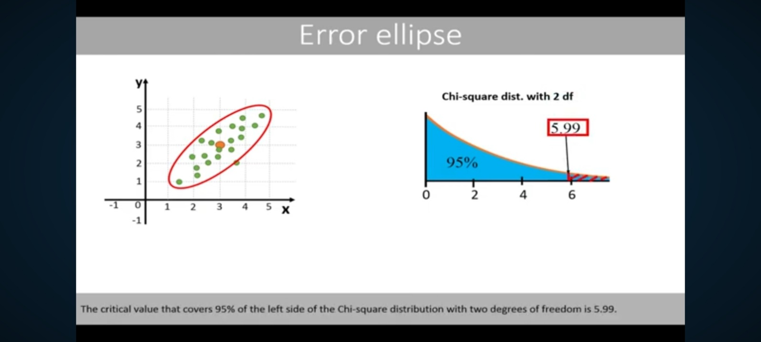
let inside area | 0.95
chi-sq value | 5.9914645471
p | 2

chi-square to acceptable data
 |  |  |  |  |  |  |  | the values 0 to 2π in increments of π/10
 | Input Data |  | Get Cov matrix
 | X | Y | X |  | 5.1333 |  |  |  | X | Y
 | 27.11 | 13.8 | 3.0215 | 2.0068 |  |  |  | 0.00 | 30.61 | 16.67
 | 26.77 | 13.42 | 2.0068 | 2.1118 |  |  |  | 0.31 | 30.28 | 16.83
Ellipse with data
 | 27.35 | 12.76 |  | Y | ellipse angel with x axis |  |  | 0.63 | 29.74 | 16.78
 | 29.2 | 14.88 |  |  | θ (rad) | 0.67395422286 | =ATAN2(CovXY,eig1-var.X)** | 0.94 | 29.03 | 16.52
 | 27.44 | 14.56 | Get Eigen values |  |  |  | =ATAN2(2.0, 4.62-3.02) | 1.26 | 28.23 | 16.07
 | 26.16 | 14.35 | trace | 5.1333 |  |  | =ATAN2(2.0, 1.60) | 1.57 | 27.42 | 15.49
 | 26.25 | 13.86 | det | 2.3537 | Q, rotation matrix |  |  | 1.88 | 26.67 | 14.83
 | 31.21 | 17.61 | eig1,formula* | 4.62429 | 0.78136002743 | -0.62408052968 |  | 2.20 | 26.07 | 14.15
 | 29.34 | 16.56 | eig2, trace-eig1 | 0.50899 | 0.62408052968 | 0.78136002743 |  | 2.51 | 25.66 | 13.52
 | 30.06 | 14.77 | *=(trace+SQRT(trace^2-4*det))/2 |  | =COS(θ (rad)) | =-SIN(θ (rad)) |  | 2.83 | 25.49 | 13.00
 |  |  |  |  | =SIN(θ (rad)) | =COS(θ (rad)) |  | 3.14 | 25.57 | 12.64
Var X | Var Y | Sum |  |  |  |  |  | 3.46 | 25.90 | 12.48
3.0215 | 2.11180 | 5.13328 | Choose chi-sq value |  | Length of the axes of the ellipse |  |  | 3.77 | 26.44 | 12.54
 |  |  | p | 2 | a | 3.23 | =sqrt(eig1*chi-sq value) | 4.08 | 27.15 | 12.80
eig.v.1 | eig.v.2 |  | let chi-sq value | 2.25 | b | 1.07 | =sqrt(eig2*chi-sq value) | 4.40 | 27.95 | 13.24
4.62429 | 0.50899 | 5.13328 | %inside | 67.53% |  |  |  | 4.71 | 28.76 | 13.82
 |  |  |  |  |  |  |  | 5.03 | 29.50 | 14.48
 |  |  |  |  |  |  |  | 5.34 | 30.11 | 15.16
 |  |  | Mean |  |  |  |  | 5.65 | 30.52 | 15.79
 |  |  | 28.089 | 14.657 |  |  |  | 5.97 | 30.69 | 16.31
 |  |  |  |  |  |  |  | 6.28 | 30.61 | 16.67

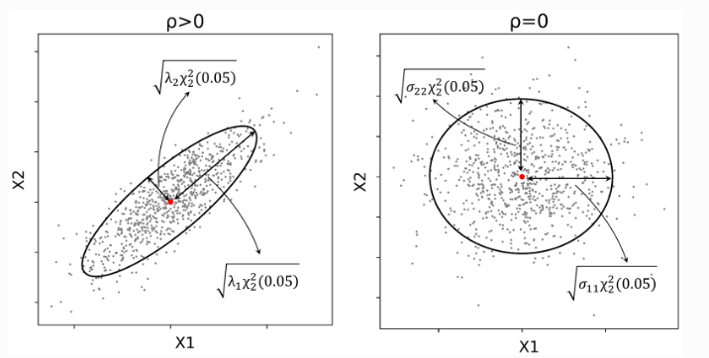
Correlation |  |  | θ (rad) obtained using correlation |  | Decoding formula for deriving X and Y, on ellipse with
Cov X,Y | 2.0068 | 0.79443363498 | =ACOS(cor.coef.) |  | =(H$11*I$17*COS(L4)+I$11*I$18*SIN(L4))+E$23
Sqrt(VarX)*Sqrt(VarY) | 2.526016188 |  | 0.65272183371 |  | H$11 | COS(θ (rad)) | 0.78136002743
 |  |  |  |  | I$17 | ellipse axis, a | 3.23
using CORR() |  |  |  |  | COS(L4) | COS(value, frm o to 2π ) | =COS(L24), COS(0 to 6.28), (1,1)
1 | 0.79443363498 |  |  |  | I$11 | -SIN(θ (rad)) | -0.62408052968
0.79443363498 | 1 |  |  |  | I$18 | ellipse axis, b | 1.07
 |  |  |  |  | SIN(L4) | SIN(value, frm o to 2π ) | =SIN(L24), SIN(0 to 6.28), (0,0)
 | Source |  |  |  | E$23 | X mean | 14.657
 | https://en.wikipedia.org/wiki/Atan2

 |  |  |  |  | =(H$12*I$17*COS(L4)+I$12*I$18*SIN(L4))+F$23
 |  |  |  |  | H$12 | SIN(θ (rad)) | 0.62408052968
 |  |  |  |  | I$17 | ellipse axis, a | 3.23
 |  |  |  |  | COS(L4) | COS(value, frm o to 2π ) | =COS(L24), COS(0 to 6.28), (1,1)
 |  |  |  |  | I$12 | COS(θ (rad)) | 0.78136002743
 |  |  |  |  | I$18 | ellipse axis, b | 1.07
 |  |  |  |  | SIN(L4) | SIN(value, frm o to 2π ) | =SIN(L24), SIN(0 to 6.28), (0,0)
 |  |  |  |  | F$23 | Y mean | 14.657

No correlation example
 |  |  |  |  |  |  |  | the values 0 to 2π in increments of π/10
 | Input Data |  | Get Cov matrix
 | Last Week rates of return (%) | This Week rates of return (%) | X |  |  |  |  |  | X | Y
1 | 1.25 | -0.9 | 2.9079 | 0.7052 |  |  |  | 0.00 | 3.51 | 3.48
2 | -0.9 | 0.54 | 0.7052 | 2.8985 |  |  |  | 0.31 | 2.56 | 4.12
Ellipse with data
3 | 0.54 | 0.01 |  | Y | ellipse angel with x axis |  |  | 0.63 | 1.38 | 4.37
4 | 0.01 | -2.69 |  |  | θ (rad) | 0.7820539248 | =ATAN2(CovXY,eig1-var.X) | 0.94 | 0.08 | 4.22
5 | -2.69 | 0.33 | Get Eigen values |  |  |  |  | 1.26 | -1.20 | 3.67
6 | 0.33 | 1.22 | trace | 5.8064 |  |  |  | 1.57 | -2.35 | 2.78
7 | 1.22 | 1.71 | det | 7.9314 | Q, rotation matrix |  |  | 1.88 | -3.24 | 1.64
8 | 1.71 | 0.75 | eig1,formula^ | 3.60843 | 0.70946755645 | -0.70473809769 |  | 2.20 | -3.80 | 0.36
9 | 0.75 | 0.22 | eig2, trace-eig1 | 2.19802 | 0.70473809769 | 0.70946755645 |  | 2.51 | -3.96 | -0.93
10 | 0.22 | -1.1 | ^=(trace+SQRT(trace^2-4*det))/2 |  | =COS(θ (rad)) | =-SIN(θ (rad)) |  | 2.83 | -3.72 | -2.11
11 | -1.1 | 1.25 |  |  | =SIN(θ (rad)) | =COS(θ (rad)) |  | 3.14 | -3.09 | -3.07
12 | 1.25 | -1.37 |  |  |  |  |  | 3.46 | -2.14 | -3.71
13 | -1.37 | -0.75 | Get chi-sq value for 95% CI |  | Length of the axes of the ellipse |  |  | 3.77 | -0.95 | -3.96
14 | -0.75 | -3.14 | p | 2 | a,=SQRT(G12)*SQRT(G19) | 4.65 | =eig1*chi-sq value | 4.08 | 0.34 | -3.80
15 | -3.14 | -1.02 | chi-sq value | 5.9914645471 | b,=SQRT(G13)*SQRT(G19) | 3.63 | =eig2*chi-sq value | 4.40 | 1.62 | -3.25
16 | -1.02 | 4.12 | %inside | 95.00% |  |  |  | 4.71 | 2.77 | -2.37
17 | 4.12 | 2.72 |  |  |  |  |  | 5.03 | 3.66 | -1.23
18 | 2.72 | 0.69 |  |  |  |  |  | 5.34 | 4.22 | 0.05
19 | 0.69 | 0.39 | Mean |  |  |  |  | 5.65 | 4.38 | 1.34
20 | 0.39 | 1.16 | 0.2115 | 0.207 |  |  |  | 5.97 | 4.14 | 2.53
 |  |  |  |  |  |  |  | 6.28 | 3.51 | 3.48

Source
https://en.wikipedia.org/wiki/Atan2 |  |  |  |  | Decoding formula for deriving X and Y, on ellipse with
 |  |  |  |  | =(H$11*I$17*COS(L4)+I$11*I$18*SIN(L4))+E$23
 |  |  |  |  | H$11 | COS(θ (rad)) | 0.70946755645
 |  |  |  |  | I$17 | ellipse axis, a | 4.65
 |  |  |  |  | COS(L4) | COS(value, frm o to 2π ) | =COS(L24), COS(0 to 6.28), (1,1)
 |  |  |  |  | I$11 | -SIN(θ (rad)) | -0.70473809769
 |  |  |  |  | I$18 | ellipse axis, b | 3.63
 |  |  |  |  | SIN(L4) | SIN(value, frm o to 2π ) | =SIN(L24), SIN(0 to 6.28), (0,0)
 |  |  |  |  | E$23 | X mean | 0.207

 |  |  |  |  | =(H$12*I$17*COS(L4)+I$12*I$18*SIN(L4))+F$23
 |  |  |  |  | H$12 | SIN(θ (rad)) | 0.70473809769
 |  |  |  |  | I$17 | ellipse axis, a | 4.65
 |  |  |  |  | COS(L4) | COS(value, frm o to 2π ) | =COS(L24), COS(0 to 6.28), (1,1)
 |  |  |  |  | I$12 | COS(θ (rad)) | 0.70946755645
 |  |  |  |  | I$18 | ellipse axis, b | 3.63
 |  |  |  |  | SIN(L4) | SIN(value, frm o to 2π ) | =SIN(L24), SIN(0 to 6.28), (0,0)
 |  |  |  |  | F$23 | Y mean | 0.207

ATAN2 function
** The ATAN2 function |  | Syntax, ATAN2(x_num, y_num)
Returns the arctangent, or inverse tangent, of the specified x- and y-coordinates.
The arctangent is the angle from the x-axis to a line containing the origin (0, 0) and
a point with coordinates (x_num, y_num).
The angle is given in radians between -pi and pi, excluding -pi.
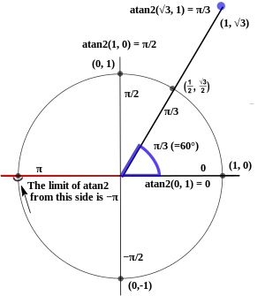

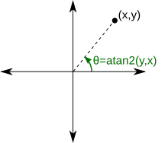

 | x_num, 1/2 | 0.5 | =D22
 | y_num, sqrt(3)/2 | 0.86602540378 | =D23
 | θ (rad) | 1.0471975512 | =ATAN2(D22,D23)
 | θ (deg) | 60 | =D24*180/PI()

